DashBoard
IPL DATA ANALYSIS

Season
Winner
Runners Up
Player of the Match
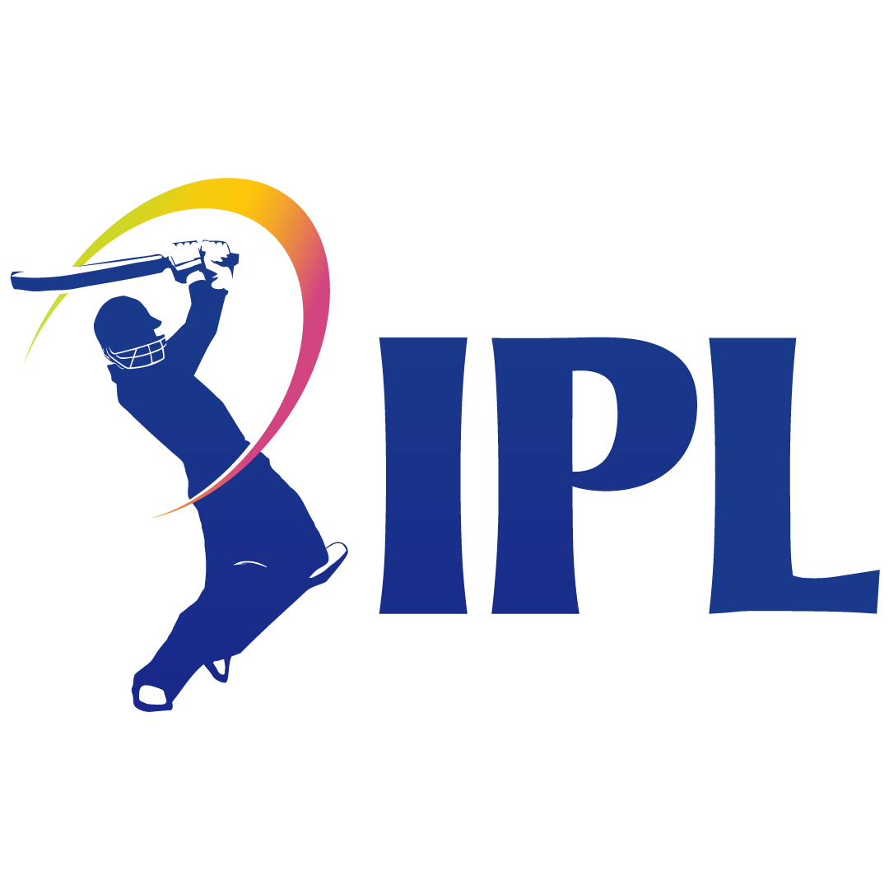
IPL-2008
Chennai Super Kings
Rajasthan Royals
YK Pathan

Win Type Analysis
 | Total
Batting Wins | 498
Chasing Wins | 597
Top 10 Player of Match Winner

 | AB de Villiers | 25
 | CH Gayle | 22
 | RG Sharma | 19
 | V Kohli | 18
 | DA Warner | 18
Match Won by Team
 | Total
Mumbai Indians | 144
Chennai Super Kings | 138
Kolkata Knight Riders | 131
Royal Challengers Bangalore | 123
Delhi Capitals | 115
Rajasthan Royals | 112
Punjab Kings | 112
Sunrisers Hyderabad | 88
Deccan Chargers | 29
Gujarat Titans | 28
Lucknow Super Giants | 24
Rising Pune Supergiants | 15
Gujarat Lions | 13
Pune Warriors | 12
Kochi Tuskers Kerala | 6
NA | 5
Toss Impact
 | Total
Loss | 541
Won Toss & Match | 554
 | MS Dhoni | 17
 | YK Pathan | 16
 | SR Watson | 16
 | RA Jadeja | 16
 | AD Russell | 15

